guide
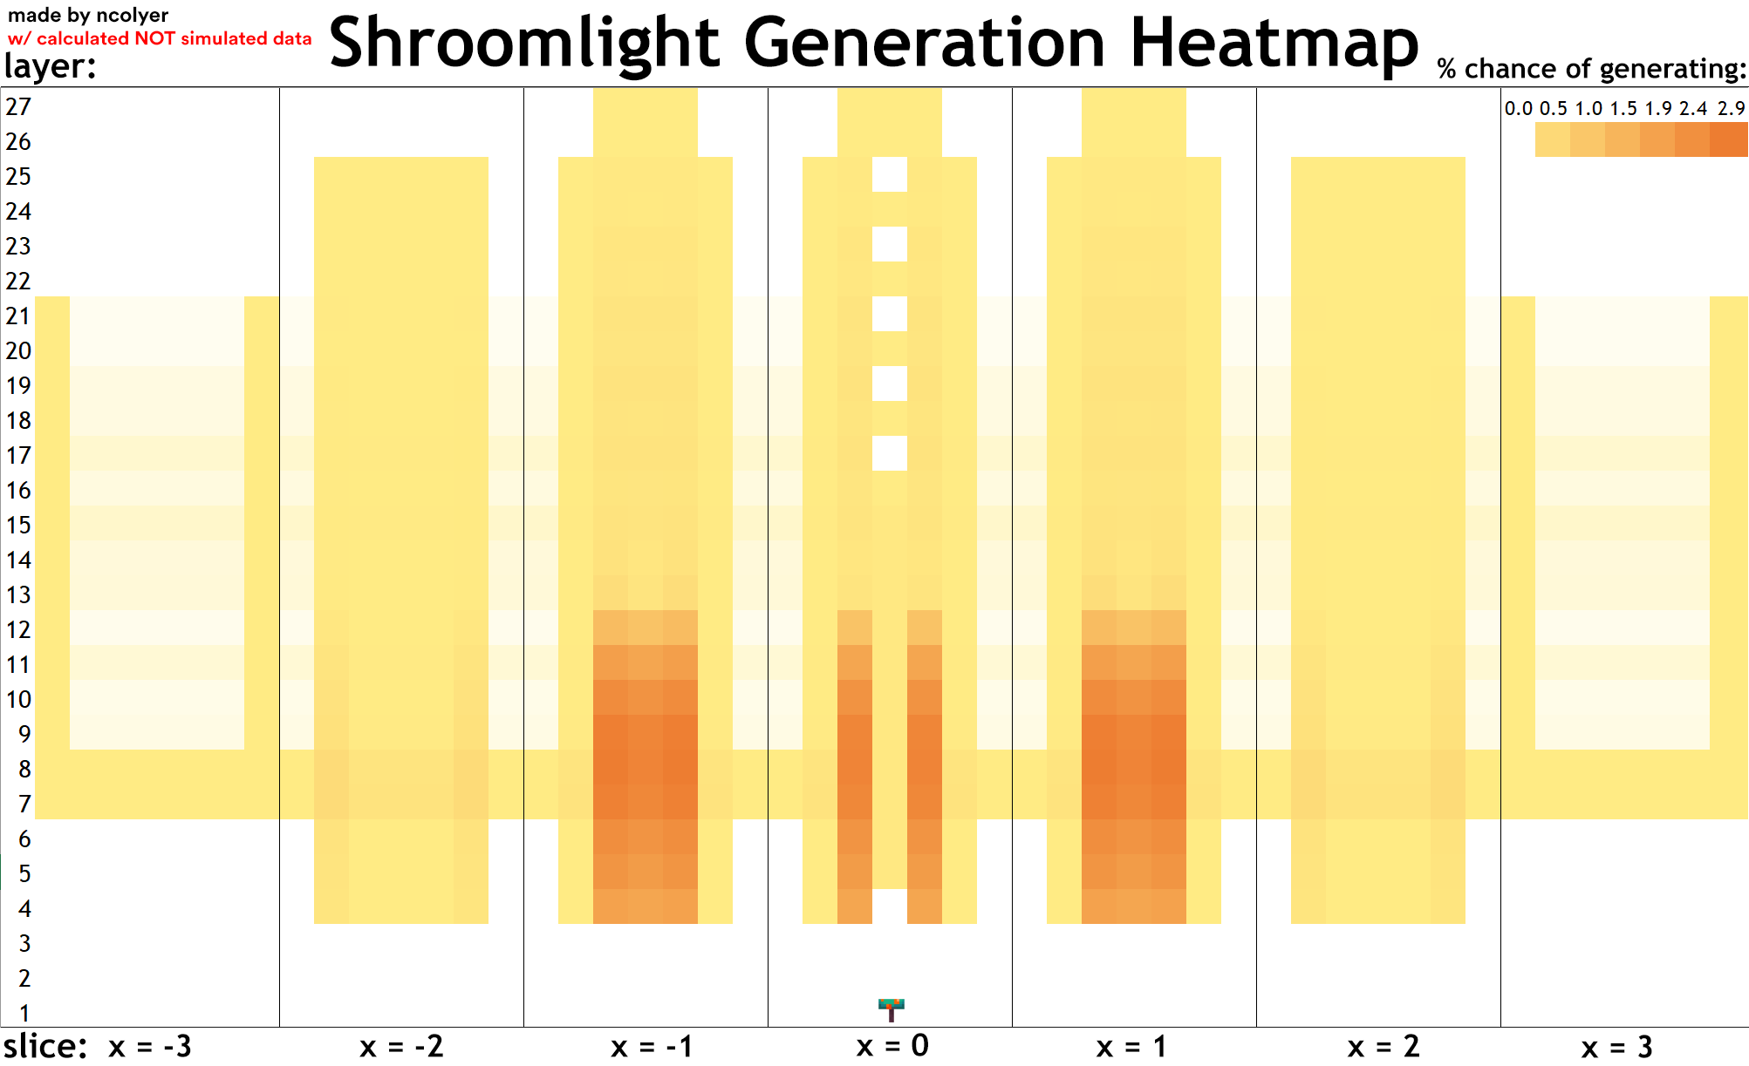
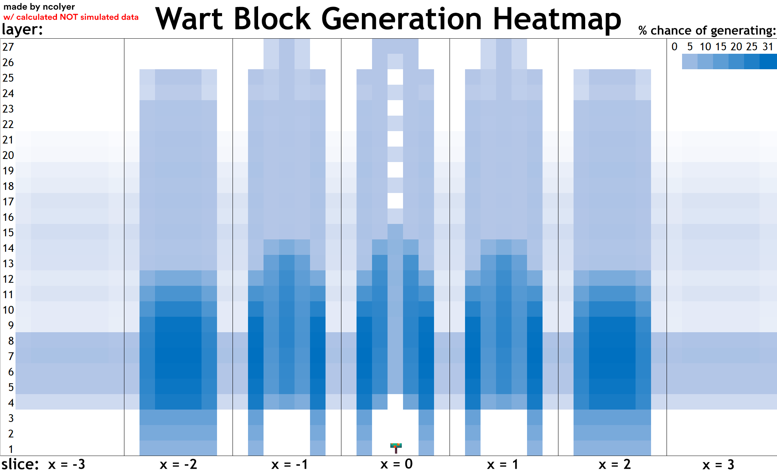
Hey, this is just a little tool that can be used to calculate how many stems, shroomlights and/or wart blocks your farm layout harvests on average each cycle.
As huge fungi are 3D, mapping them in sheets is a bit tricky so I’ve split them up into 7 ‘slices’, the ordering of which is hopefully evident in the graphics below.
Switch between the sheets at the bottom of the screen to go between modes
- made by ncolyer
more info can | be found on the | huge fungi hugg | ers | Raw data can | be found on | the last 2 | sheets
discord server: | https://discord.gg/EKKkyfcPPV

stem heatmap
Ctrl whilst selecting the blocks ur harvesting with your farm layout and look at the sum in the bottom right corner or sum them with the SUM() function
Sum: | 8.800000000 |  | 27 |  |  |  |  |  |  |  |  |  |  |  |  |  |  |  |  |  |  |  |  |  |  |  |  | 0.00000
 |  |  | 26 |  |  |  |  |  |  |  |  |  |  |  |  |  |  |  |  |  |  |  |  |  |  |  |  | 0.00833
 |  |  | 25 |  |  |  |  |  |  |  |  |  |  |  |  |  |  |  |  |  |  |  |  |  |  |  |  | 0.00833
 |  |  | 24 |  |  |  |  |  |  |  |  |  |  |  |  |  |  |  |  |  |  |  |  |  |  |  |  | 0.01667
 |  |  | 23 |  |  |  |  |  |  |  |  |  |  |  |  |  |  |  |  |  |  |  |  |  |  |  |  | 0.01667
 |  |  | 22 |  |  |  |  |  |  |  |  |  |  |  |  |  |  |  |  |  |  |  |  |  |  |  |  | 0.02500
 |  |  | 21 |  |  |  |  |  |  |  |  |  |  |  |  |  |  |  |  |  |  |  |  |  |  |  |  | 0.02500
 |  |  | 20 |  |  |  |  |  |  |  |  |  |  |  |  |  |  |  |  |  |  |  |  |  |  |  |  | 0.03333
 |  |  | 19 |  |  |  |  |  |  |  |  |  |  |  |  |  |  |  |  |  |  |  |  |  |  |  |  | 0.03333
 |  |  | 18 |  |  |  |  |  |  |  |  |  |  |  |  |  |  |  |  |  |  |  |  |  |  |  |  | 0.04167
 |  |  | 17 |  |  |  |  |  |  |  |  |  |  |  |  |  |  |  |  |  |  |  |  |  |  |  |  | 0.04167
 |  |  | 16 |  |  |  |  |  |  |  |  |  |  |  |  |  |  |  |  |  |  |  |  |  |  |  |  | 0.05000
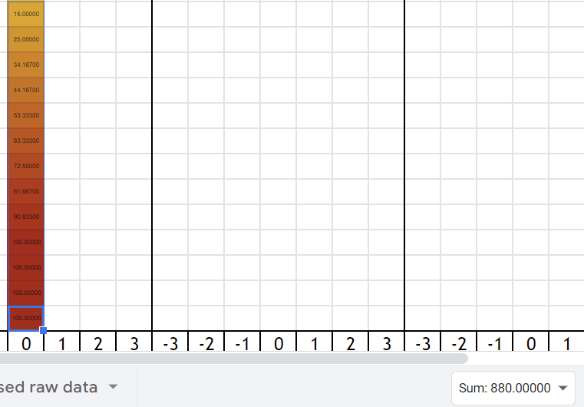
 |  |  | 15 |  |  |  |  |  |  |  |  |  |  |  |  |  |  |  |  |  |  |  |  |  |  |  |  | 0.05000
 |  |  | 14 |  |  |  |  |  |  |  |  |  |  |  |  |  |  |  |  |  |  |  |  |  |  |  |  | 0.05833
 |  |  | 13 |  |  |  |  |  |  |  |  |  |  |  |  |  |  |  |  |  |  |  |  |  |  |  |  | 0.15000
 |  |  | 12 |  |  |  |  |  |  |  |  |  |  |  |  |  |  |  |  |  |  |  |  |  |  |  |  | 0.25000
 |  |  | 11 |  |  |  |  |  |  |  |  |  |  |  |  |  |  |  |  |  |  |  |  |  |  |  |  | 0.34167
 |  |  | 10 |  |  |  |  |  |  |  |  |  |  |  |  |  |  |  |  |  |  |  |  |  |  |  |  | 0.44167
 |  |  | 9 |  |  |  |  |  |  |  |  |  |  |  |  |  |  |  |  |  |  |  |  |  |  |  |  | 0.53333
 |  |  | 8 |  |  |  |  |  |  |  |  |  |  |  |  |  |  |  |  |  |  |  |  |  |  |  |  | 0.63333
 |  |  | 7 |  |  |  |  |  |  |  |  |  |  |  |  |  |  |  |  |  |  |  |  |  |  |  |  | 0.72500
 |  |  | 6 |  |  |  |  |  |  |  |  |  |  |  |  |  |  |  |  |  |  |  |  |  |  |  |  | 0.81667
 |  |  | 5 |  |  |  |  |  |  |  |  |  |  |  |  |  |  |  |  |  |  |  |  |  |  |  |  | 0.90833
 |  |  | 4 |  |  |  |  |  |  |  |  |  |  |  |  |  |  |  |  |  |  |  |  |  |  |  |  | 1.00000
 |  |  | 3 |  |  |  |  |  |  |  |  |  |  |  |  |  |  |  |  |  |  |  |  |  |  |  |  | 1.00000
 |  |  | 2 |  |  |  |  |  |  |  |  |  |  |  |  |  |  |  |  |  |  |  |  |  |  |  |  | 1.00000
 | offsets: | Y ^ | 1 |  |  |  |  |  |  |  |  |  |  |  |  |  |  |  |  |  |  |  |  |  |  |  |  | 1.00000
 |  | Z > |  | -3 | -2 | -1 | 0 | 1 | 2 | 3 | -3 | -2 | -1 | 0 | 1 | 2 | 3 | -3 | -2 | -1 | 0 | 1 | 2 | 3 | -3 | -2 | -1 | 0 | 1 | 2 | 3 | -3 | -2 | -1 | 0 | 1 | 2 | 3 | -3 | -2 | -1 | 0 | 1 | 2 | 3 | -3 | -2 | -1 | 0 | 1 | 2 | 3
 |  | X (slice) |  |  |  |  | -3 |  |  |  |  |  |  | -2 |  |  |  |  |  |  | -1 |  |  |  |  |  |  | 0 |  |  |  |  |  |  | 1 |  |  |  |  |  |  | 2 |  |  |  |  |  |  | 3

shroomlight heatmap
Ctrl whilst selecting the blocks ur harvesting with your farm layout and look at the sum in the bottom right corner or sum them with the SUM() function
Sum: | 1.618946032 |  | 27 |  |  |  |  |  |  |  |  |  |  |  |  |  |  |  |  | 0.00008333 | 0.00000417 | 0.00008333 |  |  |  |  | 0.00000417 | 0.00008333 | 0.00000417 |  |  |  |  | 0.00008333 | 0.00000417 | 0.00008333
 |  |  | 26 |  |  |  |  |  |  |  |  | 0.00008333 | 0.00000417 | 0.00000417 | 0.00000417 | 0.00008333 |  |  | 0.00000417 | 0.00008333 | 0.00000417 | 0.00008333 | 0.00000417 |  |  | 0.00000417 | 0.00000417 | 0.00008333 | 0.00000417 | 0.00000417 |  |  | 0.00000417 | 0.00008333 | 0.00000417 | 0.00008333 | 0.00000417 |  |  | 0.00008333 | 0.00000417 | 0.00000417 | 0.00000417 | 0.00008333
 |  |  | 25 |  |  |  |  |  |  |  |  | 0.00008333 | 0.00000417 | 0.00000417 | 0.00000417 | 0.00008333 |  |  | 0.00000417 | 0.00091667 | 0.00083750 | 0.00091667 | 0.00000417 |  |  | 0.00000417 | 0.00083750 |  | 0.00083750 | 0.00000417 |  |  | 0.00000417 | 0.00091667 | 0.00083750 | 0.00091667 | 0.00000417 |  |  | 0.00008333 | 0.00000417 | 0.00000417 | 0.00000417 | 0.00008333
 |  |  | 24 |  |  |  |  |  |  |  |  | 0.00007407 | 0.00000370 | 0.00000370 | 0.00000370 | 0.00007407 |  |  | 0.00000370 | 0.00082407 | 0.00074491 | 0.00082407 | 0.00000370 |  |  | 0.00000370 | 0.00074491 | 0.00008333 | 0.00074491 | 0.00000370 |  |  | 0.00000370 | 0.00082407 | 0.00074491 | 0.00082407 | 0.00000370 |  |  | 0.00007407 | 0.00000370 | 0.00000370 | 0.00000370 | 0.00007407
 |  |  | 23 |  |  |  |  |  |  |  |  | 0.00014815 | 0.00000741 | 0.00000741 | 0.00000741 | 0.00014815 |  |  | 0.00000741 | 0.00156482 | 0.00148565 | 0.00156482 | 0.00000741 |  |  | 0.00000741 | 0.00148565 |  | 0.00148565 | 0.00000741 |  |  | 0.00000741 | 0.00156482 | 0.00148565 | 0.00156482 | 0.00000741 |  |  | 0.00014815 | 0.00000741 | 0.00000741 | 0.00000741 | 0.00014815
 |  |  | 22 |  |  |  |  |  |  |  |  | 0.00012963 | 0.00000648 | 0.00000648 | 0.00000648 | 0.00012963 |  |  | 0.00000648 | 0.00137963 | 0.00130046 | 0.00137963 | 0.00000648 |  |  | 0.00000648 | 0.00130046 | 0.00008333 | 0.00130046 | 0.00000648 |  |  | 0.00000648 | 0.00137963 | 0.00130046 | 0.00137963 | 0.00000648 |  |  | 0.00012963 | 0.00000648 | 0.00000648 | 0.00000648 | 0.00012963
 |  |  | 21 | 0.00000926 | 0.00000046 | 0.00000046 | 0.00000046 | 0.00000046 | 0.00000046 | 0.00000926 | 0.00000046 | 0.00027778 | 0.00010185 | 0.00010185 | 0.00010185 | 0.00027778 | 0.00000046 | 0.00000046 | 0.00010185 | 0.00202778 | 0.00194861 | 0.00202778 | 0.00010185 | 0.00000046 | 0.00000046 | 0.00010185 | 0.00194861 |  | 0.00194861 | 0.00010185 | 0.00000046 | 0.00000046 | 0.00010185 | 0.00202778 | 0.00194861 | 0.00202778 | 0.00010185 | 0.00000046 | 0.00000046 | 0.00027778 | 0.00010185 | 0.00010185 | 0.00010185 | 0.00027778 | 0.00000046 | 0.00000926 | 0.00000046 | 0.00000046 | 0.00000046 | 0.00000046 | 0.00000046 | 0.00000926
 |  |  | 20 | 0.00000926 | 0.00000046 | 0.00000046 | 0.00000046 | 0.00000046 | 0.00000046 | 0.00000926 | 0.00000046 | 0.00024884 | 0.00010041 | 0.00010041 | 0.00010041 | 0.00024884 | 0.00000046 | 0.00000046 | 0.00010041 | 0.00173843 | 0.00165926 | 0.00173843 | 0.00010041 | 0.00000046 | 0.00000046 | 0.00010041 | 0.00165926 | 0.00008333 | 0.00165926 | 0.00010041 | 0.00000046 | 0.00000046 | 0.00010041 | 0.00173843 | 0.00165926 | 0.00173843 | 0.00010041 | 0.00000046 | 0.00000046 | 0.00024884 | 0.00010041 | 0.00010041 | 0.00010041 | 0.00024884 | 0.00000046 | 0.00000926 | 0.00000046 | 0.00000046 | 0.00000046 | 0.00000046 | 0.00000046 | 0.00000926
 |  |  | 19 | 0.00001852 | 0.00000093 | 0.00000093 | 0.00000093 | 0.00000093 | 0.00000093 | 0.00001852 | 0.00000093 | 0.00038657 | 0.00019526 | 0.00019526 | 0.00019526 | 0.00038657 | 0.00000093 | 0.00000093 | 0.00019526 | 0.00228241 | 0.00220324 | 0.00228241 | 0.00019526 | 0.00000093 | 0.00000093 | 0.00019526 | 0.00220324 |  | 0.00220324 | 0.00019526 | 0.00000093 | 0.00000093 | 0.00019526 | 0.00228241 | 0.00220324 | 0.00228241 | 0.00019526 | 0.00000093 | 0.00000093 | 0.00038657 | 0.00019526 | 0.00019526 | 0.00019526 | 0.00038657 | 0.00000093 | 0.00001852 | 0.00000093 | 0.00000093 | 0.00000093 | 0.00000093 | 0.00000093 | 0.00001852
 |  |  | 18 | 0.00001852 | 0.00000093 | 0.00000093 | 0.00000093 | 0.00000093 | 0.00000093 | 0.00001852 | 0.00000093 | 0.00034573 | 0.00019321 | 0.00019321 | 0.00019321 | 0.00034573 | 0.00000093 | 0.00000093 | 0.00019321 | 0.00187401 | 0.00179484 | 0.00187401 | 0.00019321 | 0.00000093 | 0.00000093 | 0.00019321 | 0.00179484 | 0.00008333 | 0.00179484 | 0.00019321 | 0.00000093 | 0.00000093 | 0.00019321 | 0.00187401 | 0.00179484 | 0.00187401 | 0.00019321 | 0.00000093 | 0.00000093 | 0.00034573 | 0.00019321 | 0.00019321 | 0.00019321 | 0.00034573 | 0.00000093 | 0.00001852 | 0.00000093 | 0.00000093 | 0.00000093 | 0.00000093 | 0.00000093 | 0.00001852
 |  |  | 17 | 0.00002893 | 0.00000145 | 0.00000145 | 0.00000145 | 0.00000145 | 0.00000145 | 0.00002893 | 0.00000145 | 0.00048198 | 0.00029898 | 0.00029898 | 0.00029898 | 0.00048198 | 0.00000145 | 0.00000145 | 0.00029898 | 0.00229894 | 0.00221978 | 0.00229894 | 0.00029898 | 0.00000145 | 0.00000145 | 0.00029898 | 0.00221978 |  | 0.00221978 | 0.00029898 | 0.00000145 | 0.00000145 | 0.00029898 | 0.00229894 | 0.00221978 | 0.00229894 | 0.00029898 | 0.00000145 | 0.00000145 | 0.00048198 | 0.00029898 | 0.00029898 | 0.00029898 | 0.00048198 | 0.00000145 | 0.00002893 | 0.00000145 | 0.00000145 | 0.00000145 | 0.00000145 | 0.00000145 | 0.00002893
 |  |  | 16 | 0.00001968 | 0.00000098 | 0.00000098 | 0.00000098 | 0.00000098 | 0.00000098 | 0.00001968 | 0.00000098 | 0.00034590 | 0.00020422 | 0.00020422 | 0.00020422 | 0.00034590 | 0.00000098 | 0.00000098 | 0.00020422 | 0.00177149 | 0.00169233 | 0.00177149 | 0.00020422 | 0.00000098 | 0.00000098 | 0.00020422 | 0.00169233 | 0.00008333 | 0.00169233 | 0.00020422 | 0.00000098 | 0.00000098 | 0.00020422 | 0.00177149 | 0.00169233 | 0.00177149 | 0.00020422 | 0.00000098 | 0.00000098 | 0.00034590 | 0.00020422 | 0.00020422 | 0.00020422 | 0.00034590 | 0.00000098 | 0.00001968 | 0.00000098 | 0.00000098 | 0.00000098 | 0.00000098 | 0.00000098 | 0.00001968
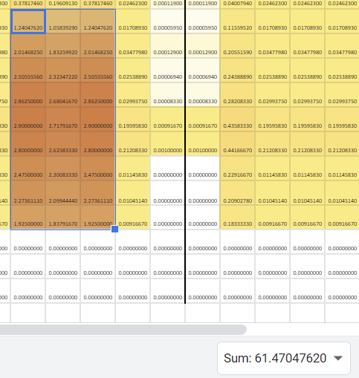
 |  |  | 15 | 0.00003158 | 0.00000158 | 0.00000158 | 0.00000158 | 0.00000158 | 0.00000158 | 0.00003158 | 0.00000158 | 0.00049289 | 0.00032466 | 0.00032466 | 0.00032466 | 0.00049289 | 0.00000158 | 0.00000158 | 0.00032466 | 0.00216997 | 0.00209081 | 0.00216997 | 0.00032466 | 0.00000158 | 0.00000158 | 0.00032466 | 0.00209081 | 0.00091667 | 0.00209081 | 0.00032466 | 0.00000158 | 0.00000158 | 0.00032466 | 0.00216997 | 0.00209081 | 0.00216997 | 0.00032466 | 0.00000158 | 0.00000158 | 0.00049289 | 0.00032466 | 0.00032466 | 0.00032466 | 0.00049289 | 0.00000158 | 0.00003158 | 0.00000158 | 0.00000158 | 0.00000158 | 0.00000158 | 0.00000158 | 0.00003158
 |  |  | 14 | 0.00002232 | 0.00000112 | 0.00000112 | 0.00000112 | 0.00000112 | 0.00000112 | 0.00002232 | 0.00000112 | 0.00035218 | 0.00022966 | 0.00022966 | 0.00022966 | 0.00035218 | 0.00000112 | 0.00000112 | 0.00022966 | 0.00251290 | 0.00156290 | 0.00251290 | 0.00022966 | 0.00000112 | 0.00000112 | 0.00022966 | 0.00156290 | 0.00100000 | 0.00156290 | 0.00022966 | 0.00000112 | 0.00000112 | 0.00022966 | 0.00251290 | 0.00156290 | 0.00251290 | 0.00022966 | 0.00000112 | 0.00000112 | 0.00035218 | 0.00022966 | 0.00022966 | 0.00022966 | 0.00035218 | 0.00000112 | 0.00002232 | 0.00000112 | 0.00000112 | 0.00000112 | 0.00000112 | 0.00000112 | 0.00002232
 |  |  | 13 | 0.00002381 | 0.00000119 | 0.00000119 | 0.00000119 | 0.00000119 | 0.00000119 | 0.00002381 | 0.00000119 | 0.00040079 | 0.00024623 | 0.00024623 | 0.00024623 | 0.00040079 | 0.00000119 | 0.00000119 | 0.00024623 | 0.00378175 | 0.00196091 | 0.00378175 | 0.00024623 | 0.00000119 | 0.00000119 | 0.00024623 | 0.00196091 | 0.00091667 | 0.00196091 | 0.00024623 | 0.00000119 | 0.00000119 | 0.00024623 | 0.00378175 | 0.00196091 | 0.00378175 | 0.00024623 | 0.00000119 | 0.00000119 | 0.00040079 | 0.00024623 | 0.00024623 | 0.00024623 | 0.00040079 | 0.00000119 | 0.00002381 | 0.00000119 | 0.00000119 | 0.00000119 | 0.00000119 | 0.00000119 | 0.00002381
 |  |  | 12 | 0.00001190 | 0.00000060 | 0.00000060 | 0.00000060 | 0.00000060 | 0.00000060 | 0.00001190 | 0.00000060 | 0.00115595 | 0.00017089 | 0.00017089 | 0.00017089 | 0.00115595 | 0.00000060 | 0.00000060 | 0.00017089 | 0.01240476 | 0.01058393 | 0.01240476 | 0.00017089 | 0.00000060 | 0.00000060 | 0.00017089 | 0.01058393 | 0.00100000 | 0.01058393 | 0.00017089 | 0.00000060 | 0.00000060 | 0.00017089 | 0.01240476 | 0.01058393 | 0.01240476 | 0.00017089 | 0.00000060 | 0.00000060 | 0.00115595 | 0.00017089 | 0.00017089 | 0.00017089 | 0.00115595 | 0.00000060 | 0.00001190 | 0.00000060 | 0.00000060 | 0.00000060 | 0.00000060 | 0.00000060 | 0.00001190
 |  |  | 11 | 0.00002579 | 0.00000129 | 0.00000129 | 0.00000129 | 0.00000129 | 0.00000129 | 0.00002579 | 0.00000129 | 0.00205516 | 0.00034780 | 0.00034780 | 0.00034780 | 0.00205516 | 0.00000129 | 0.00000129 | 0.00034780 | 0.02014683 | 0.01832599 | 0.02014683 | 0.00034780 | 0.00000129 | 0.00000129 | 0.00034780 | 0.01832599 | 0.00091667 | 0.01832599 | 0.00034780 | 0.00000129 | 0.00000129 | 0.00034780 | 0.02014683 | 0.01832599 | 0.02014683 | 0.00034780 | 0.00000129 | 0.00000129 | 0.00205516 | 0.00034780 | 0.00034780 | 0.00034780 | 0.00205516 | 0.00000129 | 0.00002579 | 0.00000129 | 0.00000129 | 0.00000129 | 0.00000129 | 0.00000129 | 0.00002579
 |  |  | 10 | 0.00001389 | 0.00000069 | 0.00000069 | 0.00000069 | 0.00000069 | 0.00000069 | 0.00001389 | 0.00000069 | 0.00243889 | 0.00025389 | 0.00025389 | 0.00025389 | 0.00243889 | 0.00000069 | 0.00000069 | 0.00025389 | 0.02505556 | 0.02323472 | 0.02505556 | 0.00025389 | 0.00000069 | 0.00000069 | 0.00025389 | 0.02323472 | 0.00100000 | 0.02323472 | 0.00025389 | 0.00000069 | 0.00000069 | 0.00025389 | 0.02505556 | 0.02323472 | 0.02505556 | 0.00025389 | 0.00000069 | 0.00000069 | 0.00243889 | 0.00025389 | 0.00025389 | 0.00025389 | 0.00243889 | 0.00000069 | 0.00001389 | 0.00000069 | 0.00000069 | 0.00000069 | 0.00000069 | 0.00000069 | 0.00001389
 |  |  | 9 | 0.00001667 | 0.00000083 | 0.00000083 | 0.00000083 | 0.00000083 | 0.00000083 | 0.00001667 | 0.00000083 | 0.00282083 | 0.00029938 | 0.00029938 | 0.00029938 | 0.00282083 | 0.00000083 | 0.00000083 | 0.00029938 | 0.02862500 | 0.02680417 | 0.02862500 | 0.00029938 | 0.00000083 | 0.00000083 | 0.00029938 | 0.02680417 | 0.00091667 | 0.02680417 | 0.00029938 | 0.00000083 | 0.00000083 | 0.00029938 | 0.02862500 | 0.02680417 | 0.02862500 | 0.00029938 | 0.00000083 | 0.00000083 | 0.00282083 | 0.00029938 | 0.00029938 | 0.00029938 | 0.00282083 | 0.00000083 | 0.00001667 | 0.00000083 | 0.00000083 | 0.00000083 | 0.00000083 | 0.00000083 | 0.00001667
 |  |  | 8 | 0.00018333 | 0.00000917 | 0.00000917 | 0.00000917 | 0.00000917 | 0.00000917 | 0.00018333 | 0.00000917 | 0.00435833 | 0.00195958 | 0.00195958 | 0.00195958 | 0.00435833 | 0.00000917 | 0.00000917 | 0.00195958 | 0.02900000 | 0.02717917 | 0.02900000 | 0.00195958 | 0.00000917 | 0.00000917 | 0.00195958 | 0.02717917 | 0.00091667 | 0.02717917 | 0.00195958 | 0.00000917 | 0.00000917 | 0.00195958 | 0.02900000 | 0.02717917 | 0.02900000 | 0.00195958 | 0.00000917 | 0.00000917 | 0.00435833 | 0.00195958 | 0.00195958 | 0.00195958 | 0.00435833 | 0.00000917 | 0.00018333 | 0.00000917 | 0.00000917 | 0.00000917 | 0.00000917 | 0.00000917 | 0.00018333
 |  |  | 7 | 0.00020000 | 0.00001000 | 0.00001000 | 0.00001000 | 0.00001000 | 0.00001000 | 0.00020000 | 0.00001000 | 0.00441667 | 0.00212083 | 0.00212083 | 0.00212083 | 0.00441667 | 0.00001000 | 0.00001000 | 0.00212083 | 0.02800000 | 0.02625833 | 0.02800000 | 0.00212083 | 0.00001000 | 0.00001000 | 0.00212083 | 0.02625833 | 0.00091667 | 0.02625833 | 0.00212083 | 0.00001000 | 0.00001000 | 0.00212083 | 0.02800000 | 0.02625833 | 0.02800000 | 0.00212083 | 0.00001000 | 0.00001000 | 0.00441667 | 0.00212083 | 0.00212083 | 0.00212083 | 0.00441667 | 0.00001000 | 0.00020000 | 0.00001000 | 0.00001000 | 0.00001000 | 0.00001000 | 0.00001000 | 0.00020000
 |  |  | 6 |  |  |  |  |  |  |  |  | 0.00229167 | 0.00011458 | 0.00011458 | 0.00011458 | 0.00229167 |  |  | 0.00011458 | 0.02475000 | 0.02300833 | 0.02475000 | 0.00011458 |  |  | 0.00011458 | 0.02300833 | 0.00091667 | 0.02300833 | 0.00011458 |  |  | 0.00011458 | 0.02475000 | 0.02300833 | 0.02475000 | 0.00011458 |  |  | 0.00229167 | 0.00011458 | 0.00011458 | 0.00011458 | 0.00229167
 |  |  | 5 |  |  |  |  |  |  |  |  | 0.00209028 | 0.00010451 | 0.00010451 | 0.00010451 | 0.00209028 |  |  | 0.00010451 | 0.02273611 | 0.02099444 | 0.02273611 | 0.00010451 |  |  | 0.00010451 | 0.02099444 | 0.00091667 | 0.02099444 | 0.00010451 |  |  | 0.00010451 | 0.02273611 | 0.02099444 | 0.02273611 | 0.00010451 |  |  | 0.00209028 | 0.00010451 | 0.00010451 | 0.00010451 | 0.00209028
 |  |  | 4 |  |  |  |  |  |  |  |  | 0.00183333 | 0.00009167 | 0.00009167 | 0.00009167 | 0.00183333 |  |  | 0.00009167 | 0.01925000 | 0.01837917 | 0.01925000 | 0.00009167 |  |  | 0.00009167 | 0.01837917 |  | 0.01837917 | 0.00009167 |  |  | 0.00009167 | 0.01925000 | 0.01837917 | 0.01925000 | 0.00009167 |  |  | 0.00183333 | 0.00009167 | 0.00009167 | 0.00009167 | 0.00183333
 |  |  | 3
 |  |  | 2
 | offsets: | Y ^ | 1 |  |  |  |  |  |  |  |  |  |  |  |  |  |  |  |  |  |  |  |  |  |  |  |  | fungus
 |  | Z > |  | -3 | -2 | -1 | 0 | 1 | 2 | 3 | -3 | -2 | -1 | 0 | 1 | 2 | 3 | -3 | -2 | -1 | 0 | 1 | 2 | 3 | -3 | -2 | -1 | 0 | 1 | 2 | 3 | -3 | -2 | -1 | 0 | 1 | 2 | 3 | -3 | -2 | -1 | 0 | 1 | 2 | 3 | -3 | -2 | -1 | 0 | 1 | 2 | 3
 |  | X (slice) |  |  |  |  | -3 |  |  |  |  |  |  | -2 |  |  |  |  |  |  | -1 |  |  |  |  |  |  | 0 |  |  |  |  |  |  | 1 |  |  |  |  |  |  | 2 |  |  |  |  |  |  | 3

wart block heatmap
Ctrl whilst selecting the blocks ur harvesting with your farm layout and look at the sum in the bottom right corner or sum them with the SUM() function
Sum: | 21.118606370 |  | 27 | 0.00000000 | 0.00000000 | 0.00000000 | 0.00000000 | 0.00000000 | 0.00000000 | 0.00000000 | 0.00000000 | 0.00000000 | 0.00000000 | 0.00000000 | 0.00000000 | 0.00000000 | 0.00000000 | 0.00000000 | 0.00000000 | 0.00577500 | 0.00816258 | 0.00577500 | 0.00000000 | 0.00000000 | 0.00000000 | 0.00000000 | 0.00816258 | 0.00816258 | 0.00816258 | 0.00000000 | 0.00000000 | 0.00000000 | 0.00000000 | 0.00577500 | 0.00816258 | 0.00577500 | 0.00000000 | 0.00000000 | 0.00000000 | 0.00000000 | 0.00000000 | 0.00000000 | 0.00000000 | 0.00000000 | 0.00000000 | 0.00000000 | 0.00000000 | 0.00000000 | 0.00000000 | 0.00000000 | 0.00000000 | 0.00000000
 |  |  | 26 | 0.00000000 | 0.00000000 | 0.00000000 | 0.00000000 | 0.00000000 | 0.00000000 | 0.00000000 | 0.00000000 | 0.00577500 | 0.00816258 | 0.00816258 | 0.00816258 | 0.00577500 | 0.00000000 | 0.00000000 | 0.00816258 | 0.00727500 | 0.00816258 | 0.00727500 | 0.00816258 | 0.00000000 | 0.00000000 | 0.00816258 | 0.00816258 | 0.00577500 | 0.00816258 | 0.00816258 | 0.00000000 | 0.00000000 | 0.00816258 | 0.00727500 | 0.00816258 | 0.00727500 | 0.00816258 | 0.00000000 | 0.00000000 | 0.00577500 | 0.00816258 | 0.00816258 | 0.00816258 | 0.00577500 | 0.00000000 | 0.00000000 | 0.00000000 | 0.00000000 | 0.00000000 | 0.00000000 | 0.00000000 | 0.00000000
 |  |  | 25 | 0.00000000 | 0.00000000 | 0.00000000 | 0.00000000 | 0.00000000 | 0.00000000 | 0.00000000 | 0.00000000 | 0.00577500 | 0.00816258 | 0.00816258 | 0.00816258 | 0.00577500 | 0.00000000 | 0.00000000 | 0.00816258 | 0.00727500 | 0.00966258 | 0.00727500 | 0.00816258 | 0.00000000 | 0.00000000 | 0.00816258 | 0.00966258 | 0.00000000 | 0.00966258 | 0.00816258 | 0.00000000 | 0.00000000 | 0.00816258 | 0.00727500 | 0.00966258 | 0.00727500 | 0.00816258 | 0.00000000 | 0.00000000 | 0.00577500 | 0.00816258 | 0.00816258 | 0.00816258 | 0.00577500 | 0.00000000 | 0.00000000 | 0.00000000 | 0.00000000 | 0.00000000 | 0.00000000 | 0.00000000 | 0.00000000
 |  |  | 24 | 0.00000000 | 0.00000000 | 0.00000000 | 0.00000000 | 0.00000000 | 0.00000000 | 0.00000000 | 0.00000000 | 0.00538438 | 0.00750667 | 0.00750667 | 0.00750667 | 0.00538438 | 0.00000000 | 0.00000000 | 0.00750667 | 0.00710833 | 0.00949592 | 0.00710833 | 0.00750667 | 0.00000000 | 0.00000000 | 0.00750667 | 0.00949592 | 0.00577500 | 0.00949592 | 0.00750667 | 0.00000000 | 0.00000000 | 0.00750667 | 0.00710833 | 0.00949592 | 0.00710833 | 0.00750667 | 0.00000000 | 0.00000000 | 0.00538438 | 0.00750667 | 0.00750667 | 0.00750667 | 0.00538438 | 0.00000000 | 0.00000000 | 0.00000000 | 0.00000000 | 0.00000000 | 0.00000000 | 0.00000000 | 0.00000000
 |  |  | 23 | 0.00000000 | 0.00000000 | 0.00000000 | 0.00000000 | 0.00000000 | 0.00000000 | 0.00000000 | 0.00000000 | 0.01076875 | 0.01501334 | 0.01501334 | 0.01501334 | 0.01076875 | 0.00000000 | 0.00000000 | 0.01501334 | 0.00844167 | 0.01082925 | 0.00844167 | 0.01501334 | 0.00000000 | 0.00000000 | 0.01501334 | 0.01082925 | 0.00000000 | 0.01082925 | 0.01501334 | 0.00000000 | 0.00000000 | 0.01501334 | 0.00844167 | 0.01082925 | 0.00844167 | 0.01501334 | 0.00000000 | 0.00000000 | 0.01076875 | 0.01501334 | 0.01501334 | 0.01501334 | 0.01076875 | 0.00000000 | 0.00000000 | 0.00000000 | 0.00000000 | 0.00000000 | 0.00000000 | 0.00000000 | 0.00000000
 |  |  | 22 | 0.00000000 | 0.00000000 | 0.00000000 | 0.00000000 | 0.00000000 | 0.00000000 | 0.00000000 | 0.00000000 | 0.00998750 | 0.01370152 | 0.01370152 | 0.01370152 | 0.00998750 | 0.00000000 | 0.00000000 | 0.01370152 | 0.00810833 | 0.01049592 | 0.00810833 | 0.01370152 | 0.00000000 | 0.00000000 | 0.01370152 | 0.01049592 | 0.00577500 | 0.01049592 | 0.01370152 | 0.00000000 | 0.00000000 | 0.01370152 | 0.00810833 | 0.01049592 | 0.00810833 | 0.01370152 | 0.00000000 | 0.00000000 | 0.00998750 | 0.01370152 | 0.01370152 | 0.01370152 | 0.00998750 | 0.00000000 | 0.00000000 | 0.00000000 | 0.00000000 | 0.00000000 | 0.00000000 | 0.00000000 | 0.00000000
 |  |  | 21 | 0.00064167 | 0.00090695 | 0.00090695 | 0.00090695 | 0.00090695 | 0.00090695 | 0.00064167 | 0.00090695 | 0.01425521 | 0.01956095 | 0.01956095 | 0.01956095 | 0.01425521 | 0.00090695 | 0.00090695 | 0.01956095 | 0.00927500 | 0.01166258 | 0.00927500 | 0.01956095 | 0.00090695 | 0.00090695 | 0.01956095 | 0.01166258 | 0.00000000 | 0.01166258 | 0.01956095 | 0.00090695 | 0.00090695 | 0.01956095 | 0.00927500 | 0.01166258 | 0.00927500 | 0.01956095 | 0.00090695 | 0.00090695 | 0.01425521 | 0.01956095 | 0.01956095 | 0.01956095 | 0.01425521 | 0.00090695 | 0.00064167 | 0.00090695 | 0.00090695 | 0.00090695 | 0.00090695 | 0.00090695 | 0.00064167
 |  |  | 20 | 0.00089271 | 0.00115800 | 0.00115800 | 0.00115800 | 0.00115800 | 0.00115800 | 0.00089271 | 0.00115800 | 0.01253242 | 0.01700914 | 0.01700914 | 0.01700914 | 0.01253242 | 0.00115800 | 0.00115800 | 0.01700914 | 0.00875417 | 0.01114175 | 0.00875417 | 0.01700914 | 0.00115800 | 0.00115800 | 0.01700914 | 0.01114175 | 0.00577500 | 0.01114175 | 0.01700914 | 0.00115800 | 0.00115800 | 0.01700914 | 0.00875417 | 0.01114175 | 0.00875417 | 0.01700914 | 0.00115800 | 0.00115800 | 0.01253242 | 0.01700914 | 0.01700914 | 0.01700914 | 0.01253242 | 0.00115800 | 0.00089271 | 0.00115800 | 0.00115800 | 0.00115800 | 0.00115800 | 0.00115800 | 0.00089271
 |  |  | 19 | 0.00178542 | 0.00231599 | 0.00231599 | 0.00231599 | 0.00231599 | 0.00231599 | 0.00178542 | 0.00231599 | 0.01585859 | 0.02162859 | 0.02162859 | 0.02162859 | 0.01585859 | 0.00231599 | 0.00231599 | 0.02162859 | 0.00973333 | 0.01212092 | 0.00973333 | 0.02162859 | 0.00231599 | 0.00231599 | 0.02162859 | 0.01212092 | 0.00000000 | 0.01212092 | 0.02162859 | 0.00231599 | 0.00231599 | 0.02162859 | 0.00973333 | 0.01212092 | 0.00973333 | 0.02162859 | 0.00231599 | 0.00231599 | 0.01585859 | 0.02162859 | 0.02162859 | 0.02162859 | 0.01585859 | 0.00231599 | 0.00178542 | 0.00231599 | 0.00231599 | 0.00231599 | 0.00231599 | 0.00231599 | 0.00178542
 |  |  | 18 | 0.00228750 | 0.00281807 | 0.00281807 | 0.00281807 | 0.00281807 | 0.00281807 | 0.00228750 | 0.00281807 | 0.01313149 | 0.01773138 | 0.01773138 | 0.01773138 | 0.01313149 | 0.00281807 | 0.00281807 | 0.01773138 | 0.00899821 | 0.01138580 | 0.00899821 | 0.01773138 | 0.00281807 | 0.00281807 | 0.01773138 | 0.01138580 | 0.00577500 | 0.01138580 | 0.01773138 | 0.00281807 | 0.00281807 | 0.01773138 | 0.00899821 | 0.01138580 | 0.00899821 | 0.01773138 | 0.00281807 | 0.00281807 | 0.01313149 | 0.01773138 | 0.01773138 | 0.01773138 | 0.01313149 | 0.00281807 | 0.00228750 | 0.00281807 | 0.00281807 | 0.00281807 | 0.00281807 | 0.00281807 | 0.00228750
 |  |  | 17 | 0.00326042 | 0.00408944 | 0.00408944 | 0.00408944 | 0.00408944 | 0.00408944 | 0.00326042 | 0.00408944 | 0.01561363 | 0.02113255 | 0.02113255 | 0.02113255 | 0.01561363 | 0.00408944 | 0.00408944 | 0.02113255 | 0.00976310 | 0.01215068 | 0.00976310 | 0.02113255 | 0.00408944 | 0.00408944 | 0.02113255 | 0.01215068 | 0.00000000 | 0.01215068 | 0.02113255 | 0.00408944 | 0.00408944 | 0.02113255 | 0.00976310 | 0.01215068 | 0.00976310 | 0.02113255 | 0.00408944 | 0.00408944 | 0.01561363 | 0.02113255 | 0.02113255 | 0.02113255 | 0.01561363 | 0.00408944 | 0.00326042 | 0.00408944 | 0.00408944 | 0.00408944 | 0.00408944 | 0.00408944 | 0.00326042
 |  |  | 16 | 0.00315221 | 0.00371595 | 0.00371595 | 0.00371595 | 0.00371595 | 0.00371595 | 0.00315221 | 0.00371595 | 0.01254550 | 0.01681852 | 0.01681852 | 0.01681852 | 0.01254550 | 0.00371595 | 0.00371595 | 0.01681852 | 0.00881369 | 0.01120127 | 0.00881369 | 0.01681852 | 0.00371595 | 0.00371595 | 0.01681852 | 0.01120127 | 0.00577500 | 0.01120127 | 0.01681852 | 0.00371595 | 0.00371595 | 0.01681852 | 0.00881369 | 0.01120127 | 0.00881369 | 0.01681852 | 0.00371595 | 0.00371595 | 0.01254550 | 0.01681852 | 0.01681852 | 0.01681852 | 0.01254550 | 0.00371595 | 0.00315221 | 0.00371595 | 0.00371595 | 0.00371595 | 0.00371595 | 0.00371595 | 0.00315221
 |  |  | 15 | 0.00400859 | 0.00491341 | 0.00491341 | 0.00491341 | 0.00491341 | 0.00491341 | 0.00400859 | 0.00491341 | 0.01473659 | 0.01981020 | 0.01981020 | 0.01981020 | 0.01473659 | 0.00491341 | 0.00491341 | 0.01981020 | 0.00953095 | 0.01191854 | 0.00953095 | 0.01981020 | 0.00491341 | 0.00491341 | 0.01981020 | 0.01191854 | 0.06352500 | 0.01191854 | 0.01981020 | 0.00491341 | 0.00491341 | 0.01981020 | 0.00953095 | 0.01191854 | 0.00953095 | 0.01981020 | 0.00491341 | 0.00491341 | 0.01473659 | 0.01981020 | 0.01981020 | 0.01981020 | 0.01473659 | 0.00491341 | 0.00400859 | 0.00491341 | 0.00491341 | 0.00491341 | 0.00491341 | 0.00491341 | 0.00400859
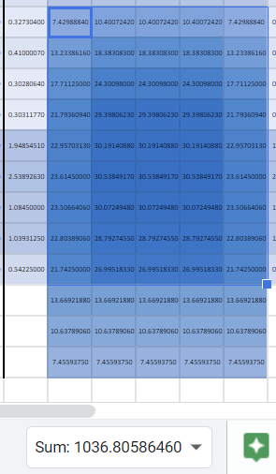
 |  |  | 14 | 0.00372108 | 0.00436061 | 0.00436061 | 0.00436061 | 0.00436061 | 0.00436061 | 0.00372108 | 0.00436061 | 0.01132969 | 0.01502476 | 0.01502476 | 0.01502476 | 0.01132969 | 0.00436061 | 0.00436061 | 0.01502476 | 0.07202321 | 0.10067421 | 0.07202321 | 0.01502476 | 0.00436061 | 0.00436061 | 0.01502476 | 0.10067421 | 0.06930000 | 0.10067421 | 0.01502476 | 0.00436061 | 0.00436061 | 0.01502476 | 0.07202321 | 0.10067421 | 0.07202321 | 0.01502476 | 0.00436061 | 0.00436061 | 0.01132969 | 0.01502476 | 0.01502476 | 0.01502476 | 0.01132969 | 0.00436061 | 0.00372108 | 0.00436061 | 0.00436061 | 0.00436061 | 0.00436061 | 0.00436061 | 0.00372108
 |  |  | 13 | 0.00364489 | 0.00432705 | 0.00432705 | 0.00432705 | 0.00432705 | 0.00432705 | 0.00364489 | 0.00432705 | 0.01374777 | 0.01840924 | 0.01840924 | 0.01840924 | 0.01374777 | 0.00432705 | 0.00432705 | 0.01840924 | 0.13618214 | 0.19109656 | 0.13618214 | 0.01840924 | 0.00432705 | 0.00432705 | 0.01840924 | 0.19109656 | 0.06352500 | 0.19109656 | 0.01840924 | 0.00432705 | 0.00432705 | 0.01840924 | 0.13618214 | 0.19109656 | 0.13618214 | 0.01840924 | 0.00432705 | 0.00432705 | 0.01374777 | 0.01840924 | 0.01840924 | 0.01840924 | 0.01374777 | 0.00432705 | 0.00364489 | 0.00432705 | 0.00432705 | 0.00432705 | 0.00432705 | 0.00432705 | 0.00364489
 |  |  | 12 | 0.00293196 | 0.00327304 | 0.00327304 | 0.00327304 | 0.00327304 | 0.00327304 | 0.00293196 | 0.00327304 | 0.07429888 | 0.10400724 | 0.10400724 | 0.10400724 | 0.07429888 | 0.00327304 | 0.00327304 | 0.10400724 | 0.15170357 | 0.20661799 | 0.15170357 | 0.10400724 | 0.00327304 | 0.00327304 | 0.10400724 | 0.20661799 | 0.06930000 | 0.20661799 | 0.10400724 | 0.00327304 | 0.00327304 | 0.10400724 | 0.15170357 | 0.20661799 | 0.15170357 | 0.10400724 | 0.00327304 | 0.00327304 | 0.07429888 | 0.10400724 | 0.10400724 | 0.10400724 | 0.07429888 | 0.00327304 | 0.00293196 | 0.00327304 | 0.00327304 | 0.00327304 | 0.00327304 | 0.00327304 | 0.00293196
 |  |  | 11 | 0.00336099 | 0.00410001 | 0.00410001 | 0.00410001 | 0.00410001 | 0.00410001 | 0.00336099 | 0.00410001 | 0.13233862 | 0.18383083 | 0.18383083 | 0.18383083 | 0.13233862 | 0.00410001 | 0.00410001 | 0.18383083 | 0.16563929 | 0.22055370 | 0.16563929 | 0.18383083 | 0.00410001 | 0.00410001 | 0.18383083 | 0.22055370 | 0.06352500 | 0.22055370 | 0.18383083 | 0.00410001 | 0.00410001 | 0.18383083 | 0.16563929 | 0.22055370 | 0.16563929 | 0.18383083 | 0.00410001 | 0.00410001 | 0.13233862 | 0.18383083 | 0.18383083 | 0.18383083 | 0.13233862 | 0.00410001 | 0.00336099 | 0.00410001 | 0.00410001 | 0.00410001 | 0.00410001 | 0.00410001 | 0.00336099
 |  |  | 10 | 0.00263013 | 0.00302806 | 0.00302806 | 0.00302806 | 0.00302806 | 0.00302806 | 0.00263013 | 0.00302806 | 0.17711250 | 0.24300980 | 0.24300980 | 0.24300980 | 0.17711250 | 0.00302806 | 0.00302806 | 0.24300980 | 0.17447500 | 0.22938942 | 0.17447500 | 0.24300980 | 0.00302806 | 0.00302806 | 0.24300980 | 0.22938942 | 0.06930000 | 0.22938942 | 0.24300980 | 0.00302806 | 0.00302806 | 0.24300980 | 0.17447500 | 0.22938942 | 0.17447500 | 0.24300980 | 0.00302806 | 0.00302806 | 0.17711250 | 0.24300980 | 0.24300980 | 0.24300980 | 0.17711250 | 0.00302806 | 0.00263013 | 0.00302806 | 0.00302806 | 0.00302806 | 0.00302806 | 0.00302806 | 0.00263013
 |  |  | 9 | 0.00255366 | 0.00303118 | 0.00303118 | 0.00303118 | 0.00303118 | 0.00303118 | 0.00255366 | 0.00303118 | 0.21793609 | 0.29398062 | 0.29398062 | 0.29398062 | 0.21793609 | 0.00303118 | 0.00303118 | 0.29398062 | 0.18090000 | 0.23581442 | 0.18090000 | 0.29398062 | 0.00303118 | 0.00303118 | 0.29398062 | 0.23581442 | 0.06352500 | 0.23581442 | 0.29398062 | 0.00303118 | 0.00303118 | 0.29398062 | 0.18090000 | 0.23581442 | 0.18090000 | 0.29398062 | 0.00303118 | 0.00303118 | 0.21793609 | 0.29398062 | 0.29398062 | 0.29398062 | 0.21793609 | 0.00303118 | 0.00255366 | 0.00303118 | 0.00303118 | 0.00303118 | 0.00303118 | 0.00303118 | 0.00255366
 |  |  | 8 | 0.01423277 | 0.01948545 | 0.01948545 | 0.01948545 | 0.01948545 | 0.01948545 | 0.01423277 | 0.01948545 | 0.22957031 | 0.30191409 | 0.30191409 | 0.30191409 | 0.22957031 | 0.01948545 | 0.01948545 | 0.30191409 | 0.18157500 | 0.23648942 | 0.18157500 | 0.30191409 | 0.01948545 | 0.01948545 | 0.30191409 | 0.23648942 | 0.06352500 | 0.23648942 | 0.30191409 | 0.01948545 | 0.01948545 | 0.30191409 | 0.18157500 | 0.23648942 | 0.18157500 | 0.30191409 | 0.01948545 | 0.01948545 | 0.22957031 | 0.30191409 | 0.30191409 | 0.30191409 | 0.22957031 | 0.01948545 | 0.01423277 | 0.01948545 | 0.01948545 | 0.01948545 | 0.01948545 | 0.01948545 | 0.01423277
 |  |  | 7 | 0.01965906 | 0.02538926 | 0.02538926 | 0.02538926 | 0.02538926 | 0.02538926 | 0.01965906 | 0.02538926 | 0.23614500 | 0.30538492 | 0.30538492 | 0.30538492 | 0.23614500 | 0.02538926 | 0.02538926 | 0.30538492 | 0.17415000 | 0.22667683 | 0.17415000 | 0.30538492 | 0.02538926 | 0.02538926 | 0.30538492 | 0.22667683 | 0.06352500 | 0.22667683 | 0.30538492 | 0.02538926 | 0.02538926 | 0.30538492 | 0.17415000 | 0.22667683 | 0.17415000 | 0.30538492 | 0.02538926 | 0.02538926 | 0.23614500 | 0.30538492 | 0.30538492 | 0.30538492 | 0.23614500 | 0.02538926 | 0.01965906 | 0.02538926 | 0.02538926 | 0.02538926 | 0.02538926 | 0.02538926 | 0.01965906
 |  |  | 6 | 0.01084500 | 0.01084500 | 0.01084500 | 0.01084500 | 0.01084500 | 0.01084500 | 0.01084500 | 0.01084500 | 0.23506641 | 0.30072495 | 0.30072495 | 0.30072495 | 0.23506641 | 0.01084500 | 0.01084500 | 0.30072495 | 0.16830000 | 0.22082683 | 0.16830000 | 0.30072495 | 0.01084500 | 0.01084500 | 0.30072495 | 0.22082683 | 0.06352500 | 0.22082683 | 0.30072495 | 0.01084500 | 0.01084500 | 0.30072495 | 0.16830000 | 0.22082683 | 0.16830000 | 0.30072495 | 0.01084500 | 0.01084500 | 0.23506641 | 0.30072495 | 0.30072495 | 0.30072495 | 0.23506641 | 0.01084500 | 0.01084500 | 0.01084500 | 0.01084500 | 0.01084500 | 0.01084500 | 0.01084500 | 0.01084500
 |  |  | 5 | 0.01039313 | 0.01039313 | 0.01039313 | 0.01039313 | 0.01039313 | 0.01039313 | 0.01039313 | 0.01039313 | 0.22803891 | 0.28792746 | 0.28792746 | 0.28792746 | 0.22803891 | 0.01039313 | 0.01039313 | 0.28792746 | 0.16467500 | 0.21720183 | 0.16467500 | 0.28792746 | 0.01039313 | 0.01039313 | 0.28792746 | 0.21720183 | 0.06352500 | 0.21720183 | 0.28792746 | 0.01039313 | 0.01039313 | 0.28792746 | 0.16467500 | 0.21720183 | 0.16467500 | 0.28792746 | 0.01039313 | 0.01039313 | 0.22803891 | 0.28792746 | 0.28792746 | 0.28792746 | 0.22803891 | 0.01039313 | 0.01039313 | 0.01039313 | 0.01039313 | 0.01039313 | 0.01039313 | 0.01039313 | 0.01039313
 |  |  | 4 | 0.00542250 | 0.00542250 | 0.00542250 | 0.00542250 | 0.00542250 | 0.00542250 | 0.00542250 | 0.00542250 | 0.21742500 | 0.26995183 | 0.26995183 | 0.26995183 | 0.21742500 | 0.00542250 | 0.00542250 | 0.26995183 | 0.09652500 | 0.12278842 | 0.09652500 | 0.26995183 | 0.00542250 | 0.00542250 | 0.26995183 | 0.12278842 | 0.00000000 | 0.12278842 | 0.26995183 | 0.00542250 | 0.00542250 | 0.26995183 | 0.09652500 | 0.12278842 | 0.09652500 | 0.26995183 | 0.00542250 | 0.00542250 | 0.21742500 | 0.26995183 | 0.26995183 | 0.26995183 | 0.21742500 | 0.00542250 | 0.00542250 | 0.00542250 | 0.00542250 | 0.00542250 | 0.00542250 | 0.00542250 | 0.00542250
 |  |  | 3 | 0.00000000 | 0.00000000 | 0.00000000 | 0.00000000 | 0.00000000 | 0.00000000 | 0.00000000 | 0.00000000 | 0.13669219 | 0.13669219 | 0.13669219 | 0.13669219 | 0.13669219 | 0.00000000 | 0.00000000 | 0.13669219 | 0.00000000 | 0.00000000 | 0.00000000 | 0.13669219 | 0.00000000 | 0.00000000 | 0.13669219 | 0.00000000 | 0.00000000 | 0.00000000 | 0.13669219 | 0.00000000 | 0.00000000 | 0.13669219 | 0.00000000 | 0.00000000 | 0.00000000 | 0.13669219 | 0.00000000 | 0.00000000 | 0.13669219 | 0.13669219 | 0.13669219 | 0.13669219 | 0.13669219 | 0.00000000 | 0.00000000 | 0.00000000 | 0.00000000 | 0.00000000 | 0.00000000 | 0.00000000 | 0.00000000
 |  |  | 2 | 0.00000000 | 0.00000000 | 0.00000000 | 0.00000000 | 0.00000000 | 0.00000000 | 0.00000000 | 0.00000000 | 0.10637891 | 0.10637891 | 0.10637891 | 0.10637891 | 0.10637891 | 0.00000000 | 0.00000000 | 0.10637891 | 0.00000000 | 0.00000000 | 0.00000000 | 0.10637891 | 0.00000000 | 0.00000000 | 0.10637891 | 0.00000000 | 0.00000000 | 0.00000000 | 0.10637891 | 0.00000000 | 0.00000000 | 0.10637891 | 0.00000000 | 0.00000000 | 0.00000000 | 0.10637891 | 0.00000000 | 0.00000000 | 0.10637891 | 0.10637891 | 0.10637891 | 0.10637891 | 0.10637891 | 0.00000000 | 0.00000000 | 0.00000000 | 0.00000000 | 0.00000000 | 0.00000000 | 0.00000000 | 0.00000000
 | offsets: | Y ^ | 1 | 0.00000000 | 0.00000000 | 0.00000000 | 0.00000000 | 0.00000000 | 0.00000000 | 0.00000000 | 0.00000000 | 0.07455938 | 0.07455938 | 0.07455938 | 0.07455938 | 0.07455938 | 0.00000000 | 0.00000000 | 0.07455938 | 0.00000000 | 0.00000000 | 0.00000000 | 0.07455938 | 0.00000000 | 0.00000000 | 0.07455938 | 0.00000000 | fungus | 0.00000000 | 0.07455938 | 0.00000000 | 0.00000000 | 0.07455938 | 0.00000000 | 0.00000000 | 0.00000000 | 0.07455938 | 0.00000000 | 0.00000000 | 0.07455938 | 0.07455938 | 0.07455938 | 0.07455938 | 0.07455938 | 0.00000000 | 0.00000000 | 0.00000000 | 0.00000000 | 0.00000000 | 0.00000000 | 0.00000000 | 0.00000000
 |  | Z > |  | -3 | -2 | -1 | 0 | 1 | 2 | 3 | -3 | -2 | -1 | 0 | 1 | 2 | 3 | -3 | -2 | -1 | 0 | 1 | 2 | 3 | -3 | -2 | -1 | 0 | 1 | 2 | 3 | -3 | -2 | -1 | 0 | 1 | 2 | 3 | -3 | -2 | -1 | 0 | 1 | 2 | 3 | -3 | -2 | -1 | 0 | 1 | 2 | 3
 |  | X (slice) |  |  |  |  | -3 |  |  |  |  |  |  | -2 |  |  |  |  |  |  | -1 |  |  |  |  |  |  | 0 |  |  |  |  |  |  | 1 |  |  |  |  |  |  | 2 |  |  |  |  |  |  | 3

